Sheet1
CS613 Homework 6 |  | Dependencies | 1 | 2 | 3 | 4 | 5 | 6 | 7 | 8 | 9 |  | 22
1 | add x1, x0, x0 ; zero register |  | IF | ID | EX | MEM | WB
2 | addi x5, x0, 2000 ; get address of A[]’s first element |  |  | IF | ID | EX | MEM | WB
3 | fld f1, -8(x5) ; load updating value |  |  |  | IF | ID | EX | MEM | WB
4 | addi x2, x1, 10 ; set counter (lcv) |  |  |  |  | IF | ID/s | s/ID | EX | MEM | WB
5 | Strt: fld f7, 0(x5) ; get A[i] |  |  |  |  |  |  | IF | ID | EX | MEM | WB
6 | addi x5, x5, 8 ; update array pointer
7 | fadd.d f7, f7, f1 ; update A[i]
8 | fsd f7, -8(x5) ; save A[i]
9 | subi x2, x2, 1 ; decrement lcv
10 | bne x2, x1, Strt ; loop again?
11 | End: xor x4, x1
12 | Strt: fld f7, 0(x5) ; get A[i]
13 | addi x5, x5, 8 ; update array pointer
14 | fadd.d f7, f7, f1 ; update A[i]
15 | fsd f7, -8(x5) ; save A[i]
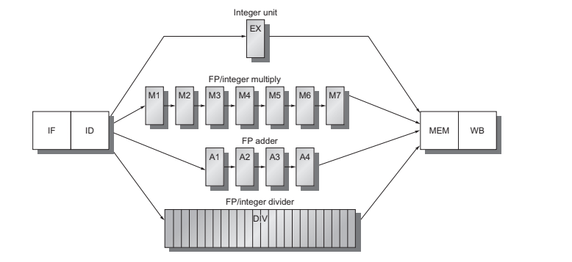
1
2
3
4

